MetaData
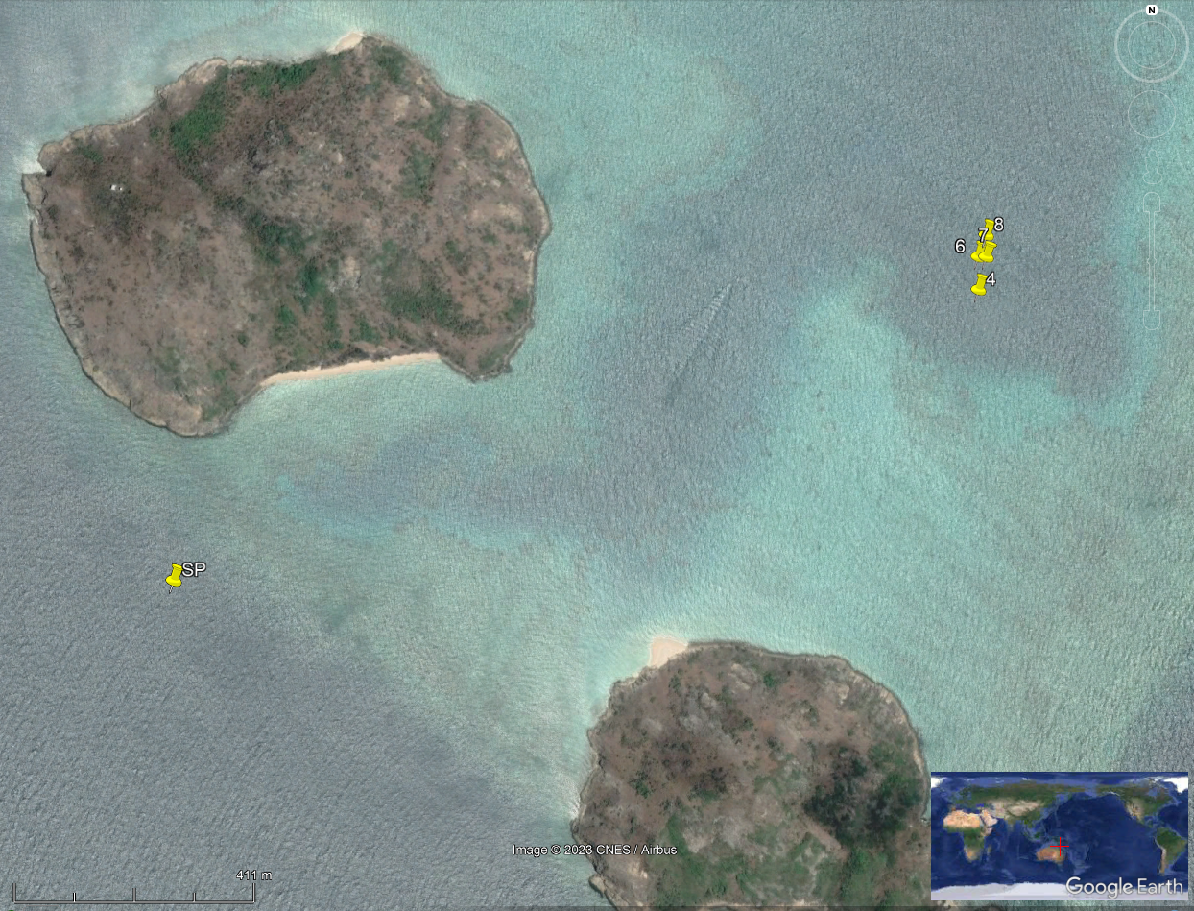
Pool_no | Pool_Size | Pool_Volume | Lat | Long | Comments | Culture Transfer Type
4 | 4x4m with 3x3m nets | 9280 | -14.693783 | 145.458017 |  | towed over CAD table
6 | 4x4m with 3x3m nets | 9280 | -14.693233 | 145.458033 |  | net lift
7 | 4x4m with 3x3m nets | 9280 | -14.693233 | 145.458167 |  | lost during towing
8 | 4x4m with 3x3m nets | 9280 | -14.692867 | 145.458183 |  | net lift
SP | 4x4m with 3x3m nets | 9280 | -14.698499 | 145.444637 | open arms catcher that close | net lift

